VLOOKUP
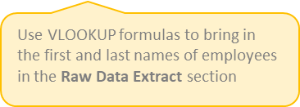
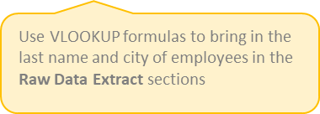
The syntax of this function is quit simple= VLOOKUP([value], [range], [column number], [false or true])

ID.No. | Name of Employee | Product | Qty Sold | List Price | Discount | Disc. Amt | Amount | ID.No. | Name of Employee | Product | Qty Sold | List Price | Discount | Disc. Amt | Amount
1 | Shubham Sharma | Laptop | 91 | ₹58,000 | 19% | ₹11,020 | ₹46,980
2 | MS Dhoni | Moniter | 32 | ₹13,000 | 18% | ₹2,340 | ₹10,660
3 | Virat Kohli | Mouse | 66 | ₹1,200 | 20% | ₹240 | ₹960
4 | Mukesh Ambani | Printer | 11 | ₹12,000 | 6% | ₹720 | ₹11,280 |  |  | #NAME?
5 | Gautam Adani | Mobile | 94 | ₹25,000 | 14% | ₹3,500 | ₹21,500
23 | Atul | Mobile | 94 | ₹25,000 | 14% | ₹3,500 | ₹21,500
6 | Vivek Bindra | Keyboard | 63 | ₹1,800 | 13% | ₹234 | ₹1,566
7 | Narendra Modi | AC | 29 | ₹38,000 | 6% | ₹2,280 | ₹35,720
8 | Rahul Gandhi | Tablet | 75 | ₹21,000 | 20% | ₹4,200 | ₹16,800
9 | Arvind Kejriwal | Speaker | 79 | ₹32,000 | 7% | ₹2,240 | ₹29,760
10 | Amit Shah | Computer | 46 | ₹45,000 | 7% | ₹3,150 | ₹41,850
11 | Varun Dhawan | LCD | 22 | ₹15,000 | 6% | ₹900 | ₹14,100
12 | Manoj Bajpayee | Washing Machine | 50 | ₹30,000 | 14% | ₹4,200 | ₹25,800
13 | Sunny Deol | Refrigerator | 44 | ₹35,000 | 14% | ₹4,900 | ₹30,100
14 | Abishek Yadav | Scanner | 20 | ₹8,000 | 19% | ₹1,520 | ₹6,480
15 | Rajni Kant | Smart Watch | 65 | ₹22,000 | 19% | ₹4,180 | ₹17,820
16 | Rajni Kant | fdhjfh | 65 | ₹22,000 | 19% | ₹4,180 | ₹17,820

 |  |  |  |  |  |  |  |  |  | #NAME?

